Sheet1
 |  |  | Except for the 7 segement LED output answer in row 9 for (0,0,0,0) input, all other answers are bogus made-up ones.

 |  |  |  |  |  |  |  |  |  |  |  |  |  | Sample k-map A |  |  |  |  |  | Sample k-map B
 | Truth table (input/output) |  |  |  |  |  |  |  |  |  |  |  |  | yz |  |  |  |  |  | yz
 |  |  |  |  |  |  |  |  |  |  |  |  | wx |  | 00 | 01 | 11 | 10 | wx |  | 00 | 01 | 11 | 10
 | Input |  |  |  | Out | 7 segment LED output |  |  |  |  |  |  |  | 00 | 1 | 1 | 1 | 1 |  | 00 | 0 | 1 | 1 | 0
 | w | x | y | z |  | A | B | C | D | E | F | G |  | 01 | 1 | 0 | 0 | 0 |  | 01 | 0 | 1 | 1 | 0
0 | 0 | 0 | 0 | 0 | 5 | 1 | 0 | 1 | 1 | 0 | 1 | 1 |  | 11 | 1 | 0 | 1 | 1 |  | 11 | 1 | 1 | 1 | 1
1 | 0 | 1 | 0 | 1 | 6 | 1 | 0 | 0 | 0 | 0 | 1 | 1 |  | 10 | 1 | 0 | 1 | 1 |  | 10 | 0 | 0 | 0 | 0
2 | 0 |  |  | 0 | 7 | 1 |  |  | 0 |  | 0 | 0
3 |  |  |  | 1 | 8 | 1 |  |  |  |  |  | 1 |  | = w'x' + wy + y'z' |  |  |  |  |  | = w'z + wx
4 |  |  |  | 0 | 9 | 1 |  |  |  |  |  | 1
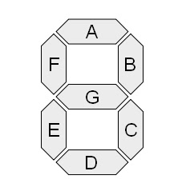
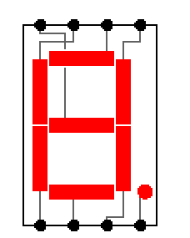
5 |  |  |  |  | 0 | 1 |  |  |  |  |  | 0
6 |  |  |  |  | 1 | 0 |  |  |  |  |  | 0
7 |  |  |  |  | 2 | 1 |  |  |  |  |  | 1
8 |  |  |  |  | 3 | 1 |  |  |  |  |  | 1
9 |  |  |  |  | 4 | 0 |  |  |  |  |  | 1
10 |  |  |  |  | d | d | d | d |  |  |  | 1
11 |  |  |  |  | d | 1 |  |  |  |  |  | 1
12 |  |  |  |  | d | 1 |  |  |  |  |  | 1
13 |  |  |  |  | d | 1 |  |  |  |  | 1 | 1
14 |  |  |  | 0 | d | 1 |  |  |  |  | 1 | 1
15 | 1 | 1 | 1 | 1 | d | 1 | 0 | 0 | 1 | 1 | 1 | 1

 |  |  |  |  |  |  |  |  |  |  |  |  |  |  | Refer to Logisim "Help -> search -> enter "7-Segment" -> Select '7-Segement' from left pane" for mapping from 7-segement LED output (A-G) to 7 pins of LED Display itself.

